Quality Engineering Topics
© Sogeti 2020

In the book "Quality for DevOps teams" we describe the TMAP topics for quality engineering.
In section 11.1.3 we state that the list of these topics can be used as a checklist to determine whether the relevant topics have been covered.
Below we give this checklist of topics. For an extensive description of the topics please see the book or the page on the TMAP website: https://www.tmap.net/page/introduction-qa-testing-topics

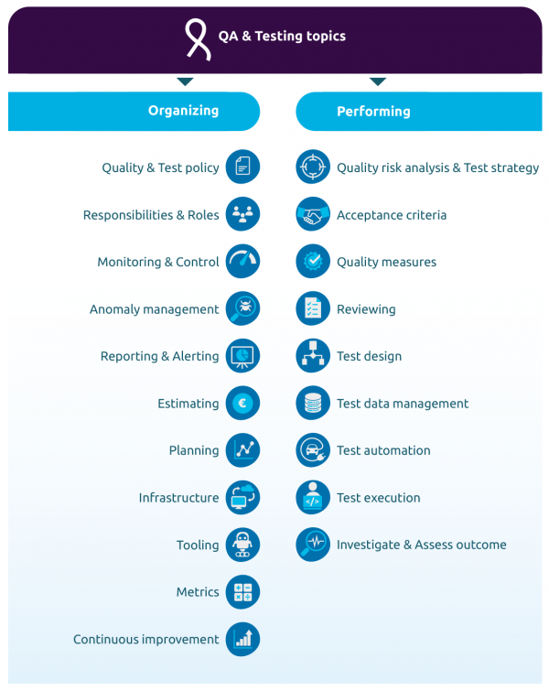
Organizing topics |  | Topic covered in test strategy / test plan / etc ? | Explanation
 | Quality & Test policy – based on the organization's mission and vision, a policy for the quality assurance and the testing activities is created and implemented.
 | Responsibilities & Roles – the people involved have various roles and with these roles come responsibilities. They also need to have all kinds of skills, both technical skills and soft skills.
 | Monitoring & Control – checking if the activities are performed as planned and if not, take action to mitigate the deviations.
 | Anomaly management – if during static or dynamic testing anomalies are found, they will be registered in the anomaly management system where the status and progress of handling each anomaly is managed.
 | Reporting & Alerting – the most important result of testing is the information that stakeholders use to establish their confidence level whether the pursued business value is attainable. Reporting this information and, whenever necessary, alerting people about specific occasions is therefore one of the key topics.
 | Estimating – to be able to properly plan and schedule activities, the team and the organization around the team must have a useful estimate of the needed effort and duration for these activities.
 | Planning – in any IT delivery lifecycle model, a schedule with work order and timelines needs to be created to manage the execution of activities.
 | Infrastructure – to be able to perform QA & testing activities, the team will need test environments and testing workplaces. The scale and scope of the infrastructure may differ depending on the situation but testing without infrastructure is unimaginable.
 | Tooling – to be able to perform testing activities in an efficient and effective way, various types of tools can be deployed. Using these tools requires skill and experience. The acquisition and implementation of tools can be a great deal of work and will involve training and coaching of team members to work with the tools.
 | Metrics – stakeholders will want to know if the QA & testing tasks are performed in an effective and efficient manner. Therefore, metrics about the QA & testing process must be defined and a way of measuring these metrics must be implemented.
 | Continuous improvement – standstill means decline, therefore a continuous focus on improving the quality engineering tasks and activities is needed.

Performing topics
 | Quality risk analysis & Test strategy – The test strategy describes how the investment in QA & testing activities and other quality measures is balanced over the test object, keeping in mind the available resources and time. The test strategy is mostly based on the quality risks involved. These risks therefore need to be identified, analyzed and mitigated.
 | Acceptance criteria – For specific user needs it must be clear when these are fulfilled. This can be described using acceptance criteria.
 | Quality measures – Based on the acceptance criteria, decisions are made on the relevant quality measures.
 | Reviewing – Static testing applies one or more review techniques (possibly using tools, such as in static analysis) to establish the quality level of documents, code or other deliverables.
 | Test design – Creating test situations, test cases, test scenarios and test scripts is the core of the preparation needed to be able to do structured testing, especially (but not exclusively) in a coverage-based approach.
 | Test data management – Together with test cases, relevant test data is needed. This may involve generating synthetic test data or anonymizing and subsetting live data.
 | Test automation – Test scenarios that have to be executed multiple times, or that serve as a basis for development activities, should be automated using test scripts to achieve higher efficiency and to prevent human error in repetitive tasks.
 | Test execution – Executing test scenarios is the most visible task of testing, this may be done by following structured test scenarios that were previously prepared or by exploring using an experience-based approach.
 | Investigate and assess outcome – A test is only a valuable test if there is a comparison of the expected outcome and the actual outcome of the test. When expected and actual outcomes don't match, further investigation will be needed to create a concise and complete anomaly report.

